SHELL
NITRO MENS JACKET |  |  |  |  |  |  | SAMPLE SIZE LARGE / XS-XXL
SEASON: |  | WINTER 2018/2019 |  |  | CONTRACTOR: |  | SOLUNA
STYLE NUMBER: |  | N18-105 |  |  | DATE CREATED: |  | 2017-03-17
STYLE NAME: |  | REDUCE ANORAK |  |  | DATE REVISED:
WATERPROOF/BREATHABILITY: |  |  |  |  | BLOCK: |  | Based on Reduce fit (slightly increased for an anorak)
SEAM SEALING: |  | NOT SEAM SEALED |  |  | FIT:
INSULATION: |  | 100G PINNECO CORE |  |  | TARGET FOB:
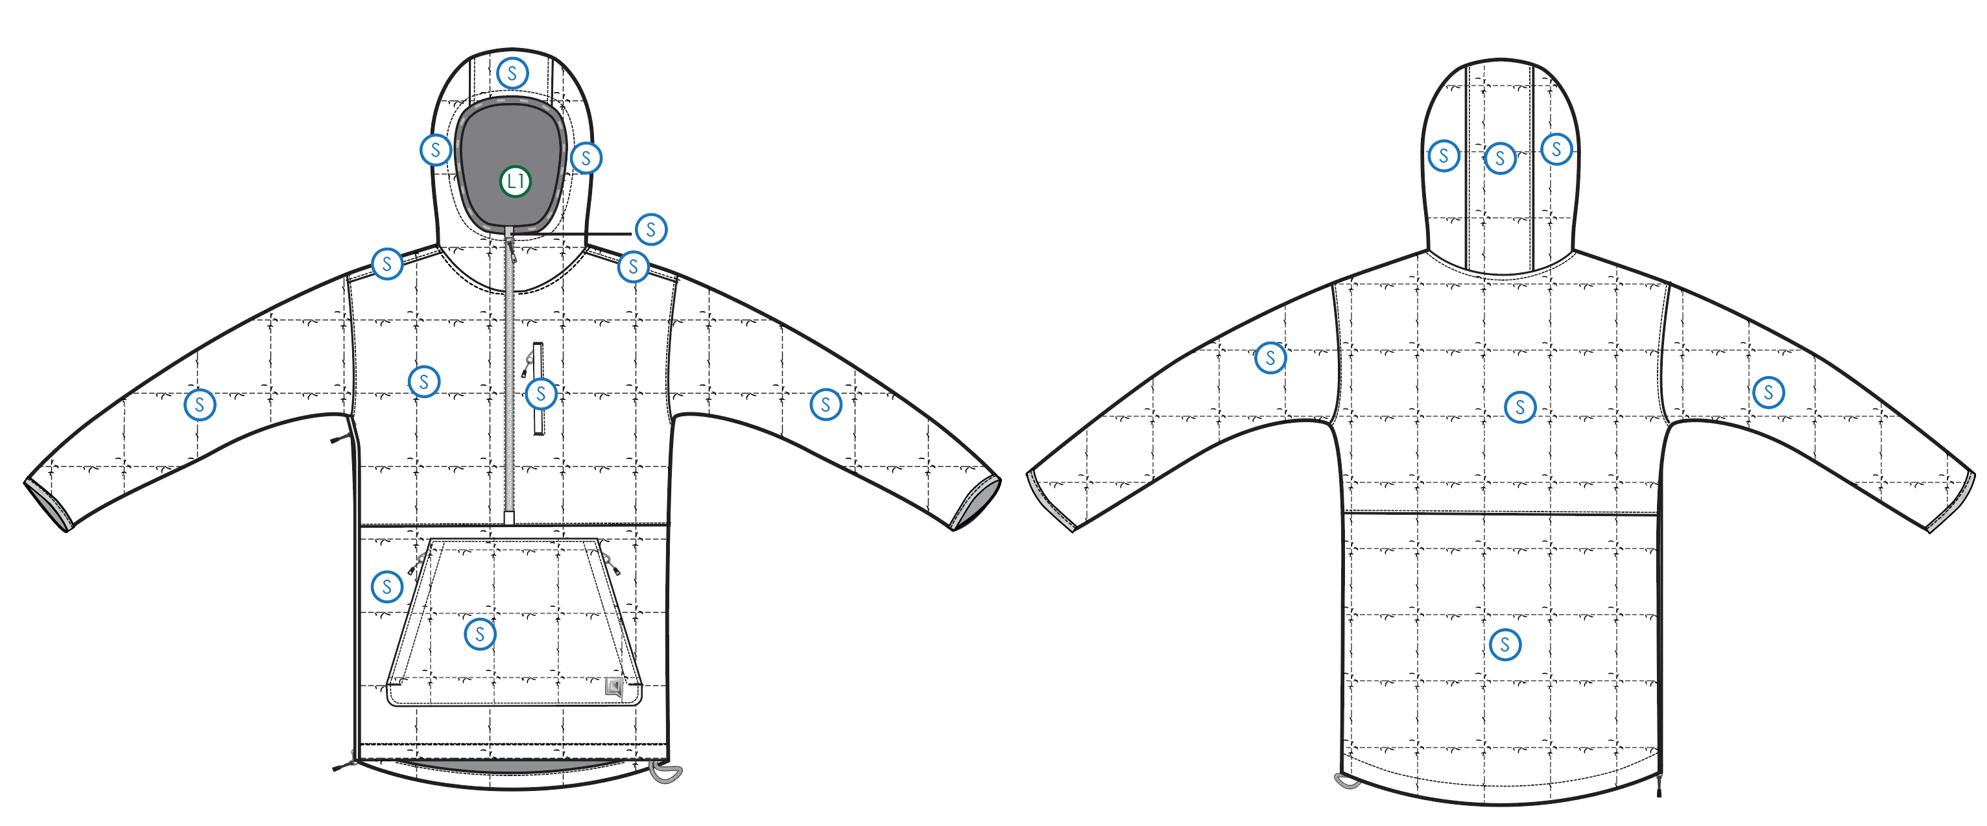
 |  |  |  | COLORWAYS
SHELL FABRIC | SUPPLIER/ REFERENCE NUMBER | LOCATION | CONTENT | COLORWAY 1 | COLORWAY 2 | COLORWAY 3 | COLORWAY 4 | COLORWAY 5
 | Achievetex, HE066-R | S | 100% RECYCLED POLYESTER | COLOR

INSULATION | SUPPLIER/ REFERENCE NUMBER | LOCATION | CONTENT | COLORWAY 1 | COLORWAY 2 | COLORWAY 3 | COLORWAY 4 | COLORWAY 5 | 0
SYNTHETIC DOWN | PINNECO CORE 100G | ALL OVER | 100% POLYESTER | 100G

SEAM TAPE | SUPPLIER/ REFERENCE NUMBER | LOCATION | CONTENT | COLORWAY 1 | COLORWAY 2 | COLORWAY 3 | COLORWAY 4 | COLORWAY 5 | 0
NOT SEAM SEALED

LINING | SUPPLIER/ REFERENCE NUMBER | LOCATION | CONTENT | COLORWAY 1 | COLORWAY 2 | COLORWAY 3 | COLORWAY 4 | COLORWAY 5 | 0
SOLID 210T | SOLIS / SONP006-1 | HOOD | 100% NYLON | COLOR
SOLID 210T | SOLIS / SONP006-1 | MAIN BODY | 100% NYLON | COLOR
SOLID 210T | SOLIS / SONP006-1 | SLEEVES | 100% NYLON | COLOR
SOLID 210T | SOLIS / SONP006-1 | POCKET BAGS | 100% NYLON | COLOR

MEASUREMENTS
NITRO MENS JACKET |  |  |  |  |  |  |  | SAMPLE SIZE LARGE / XS-XXL
SEASON: |  | WINTER 2018/2019 |  |  |  |  |  | CONTRACTOR: |  |  |  |  |  | SOLUNA
STYLE NUMBER: |  | N18-105 |  |  |  |  |  | DATE CREATED: |  |  |  |  |  | 2017-03-17
STYLE NAME: |  | REDUCE ANORAK |  |  |  |  |  | DATE REVISED: |  |  |  |  |  | 0
WATERPROOF/BREATHABILITY: |  | 0 |  |  |  |  |  | BLOCK: |  |  |  |  |  | Based on Reduce fit (slightly increased for an anorak)
SEAM SEALINING: |  | NOT SEAM SEALED |  |  |  |  |  | FIT: |  |  |  |  |  | 0
INSULATION: |  | 100G PINNECO CORE |  |  |  |  |  | TARGET FOB: |  |  |  |  |  | $0.00
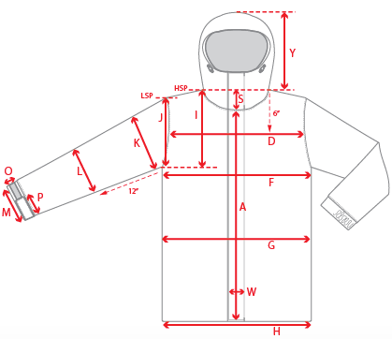 |  |  | 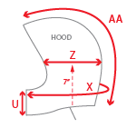 |  |  |  | 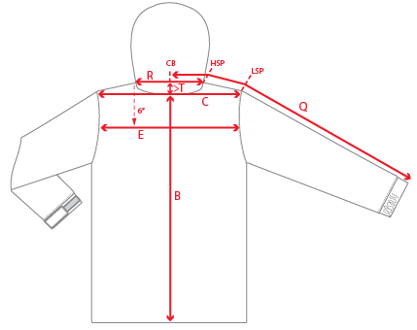
 |  |  |  | 1ST PROTO |  |  | 2ND PROTO |  |  | 3RD PROTO |  |  | S/SAMPLE |  |  | PP SAMPLE |  | FINAL
 |  |  | DATE: |  |  | DATE: |  |  | DATE: |  |  | DATE: |  |  | DATE:
 |  | TOL +/- | INITIAL MEASMNT | SAMPLE MEASURES | REVISE TO | REQUESTED | SAMPLE MEASURES | REVISE TO | REQUESTED | SAMPLE MEASURES | REVISE TO | REQUESTED | SAMPLE MEASURES | REVISE TO | REQUESTED | SAMPLE MEASURES | REVISE TO | APPROVED MEASMNTS
A | CF LENGTH - FROM NECKLINE | 0.25 | 26
B | CB LENGTH - FROM NECKLINE | 0.25 | 31.5
C | SHOULDER WIDTH | 0.25 | 19.5
D | ACROSS FRONT- 6" FROM HPS | 0.25
E | ACROSS BACK- 6" FROM HPS | 0.25
F | CHEST WIDTH - 1" BELOW ARMHOLE (1/2 MEASURE) | 0.25 | 24
G | WAIST WIDTH - 1/2 MEASURE, FROM HSP: S-19", M-19.5", L-20", XL-20.5" | 0.25 | 23.5
H | HEM OPENING - (1/2 MEASURE) | 0.25 | 23
I | ARMHOLE FRM HSP - STRAIGHT (1/2 MEASURE) | 0.125 | 11.75
J | ARMHOLE FRM LSP - STRAIGHT (1/2 MEASURE) | 0.125 | 10.875
K | BICEP - 1" BELOW UNDERARM (1/2 MEASURE) | 0.125 | 10
L | ELBOW - 12" BELOW UNDERARM (1/2 MEASURE) | 0.125 | 7.75
M | SLEEVE OPENING - RELAXED (1/2 MEASURE) | 0.125 | 4.5
N | SLEEVE OPENING - STRETCHED (1/2 MEASURE) | 0.125 | 5.5
Q | CB SLEEVE LENGTH - 3 PT MEASURE FROM CB | 0.25 | 38
R | NECK WIDTH - STRAIGHT HPS TO HPS (1/2 MEASURE) | 0.125 | 8
S | FRONT NECK DROP - FROM HSP | 0.125 | 4.5
T | BACK NECK DROP - FROM HSP | 0.125 | 1
U | CF COLLAR HEIGHT | 0.125 | 4.5
X | COLLAR CIRCUMFERENCE | 0.25 | 29
Y | HOOD HEIGHT - SHOULDER SEAM TO TOP | 0.125 | 15.25
Z | HOOD WIDTH - 7" UP FROM NECK SEAM | 0.125 | 11
AA | HOOD RUN | 0.25 | 22.5
 | CHEST POCKET WELT LENGTH | 0.125 | 6.5
 | CHEST POCKET WELT WIDTH | 0.125 | 0.5
 | POUCH POCKET HEIGHT | 0.125 | 9.5
 | POUCH POCKET WIDTH AT TOP | 0.125 | 11.5
 | POUCH POCKET WIDTH AT BOTTOM | 0.125 | 15.75
ZIPPERS | CENTER FRONT | 0.25 | 17
 | CHEST POCKET VERTICAL | 0.125 | 6.5
 | SIDE ENTRY (RIGHT) | 0.25 | 18.75
 | HAND POCKETS VERTICAL | 0.125 | 8

 | ZIPPER RULES:
 | CF = XXX SHORTER THAN CF LENGTH

